Assignment
UserDetailsC | Create a Login screen as shown below:
 | Process the above Login Form using servlet. If the UserId / Password is correct then, display the user information into a JSP page by fetching data from DB using this Servlet.

Input Screen
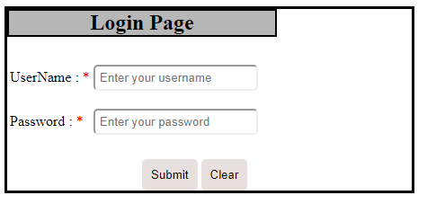

Output Screen
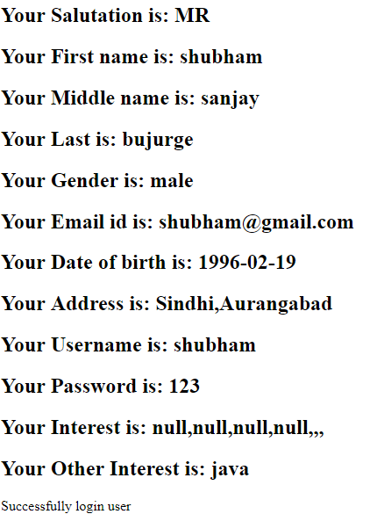

Database

